Sheet1
 |  | Document No. | Issue No. | Issue Date |  | Review and Replace Date |  | Authorised By
 |  | GFF414MC | 1 | 30.10.2023 |  | New Document |  | Magda Shah
 |  | Document Title | Oriental Noodles 200g
Document amendments reason for change |  | New Launch |  |  | Page 1 of 1 | Previous Issue Date | New Document | Uncontrolled copy unless signed original

CVEGN-R6T | Gazebo |  | Oriental Noodles 200g
STEP 1 |  |  |  |  | STEP 2
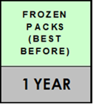 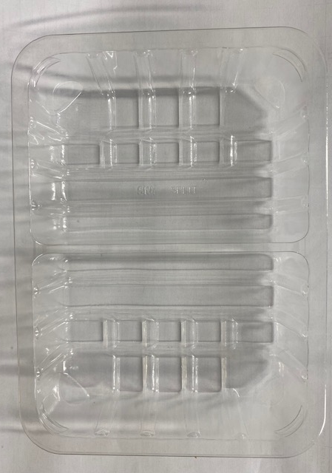 |  |  |  |  | 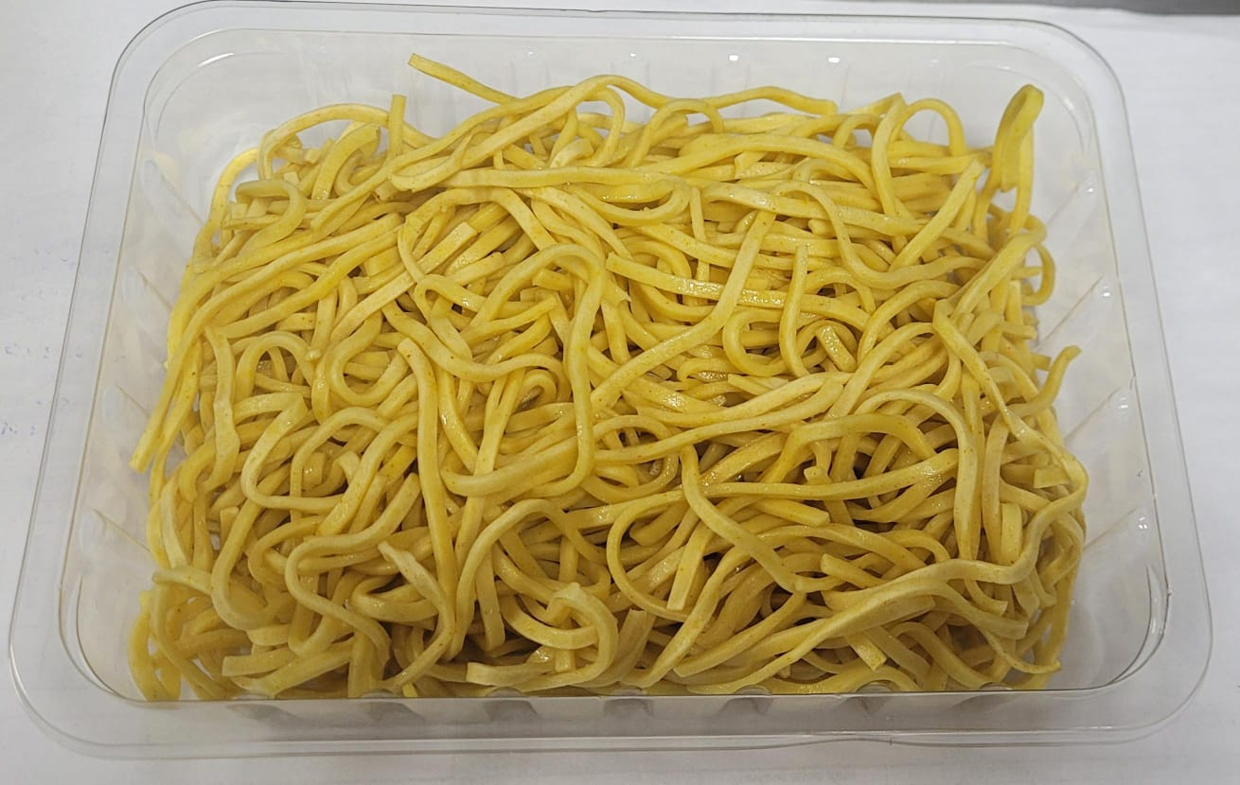

Tray: SK4-Plain Clear (PKESS001-07) |  |  |  |  | Cooked Noodles (RMGIO001-01) 200g
Film: K-peel 7G+25A/f-275mm (PKKMP001-03)
TOTAL WEIGHT: 200g

ALLERGY ALERT:Wheat

